9.2_#15
Manufacturer: | Density:
1 | 30.4
1 | 29.2
2 | 27.7
2 | 27.1
3 | 27.1
3 | 24.8
4 | 25.5
4 | 28.8

 | The true average foam density is not the same for all these manufacturers.

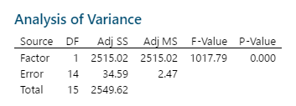

 | H0: u1 = u2 = u3 = u4
 | H1: at least two of u's will be different

 | Since p-value is greater than alpha (0.05), we don’t't reject null hypothesis.

9.4_#35
Brand | Level 1 | Level 2 | Level 3 | Level 4
1 | 685 | 792 | 838 | 875
2 | 722 | 806 | 893 | 953
3 | 733 | 802 | 880 | 941
4 | 811 | 888 | 952 | 1005
5 | 828 | 920 | 978 | 1023

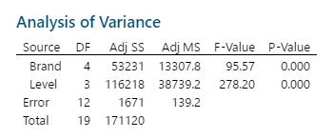
Brand | Level | Result
1 | 1 | 685
2 | 1 | 722
3 | 1 | 733
4 | 1 | 811
5 | 1 | 828
1 | 2 | 792
2 | 2 | 806
3 | 2 | 802
4 | 2 | 888 |  | H0: all means are same
5 | 2 | 920 |  | H1: at least two means are different
1 | 3 | 838
2 | 3 | 893 |  | a. | The p-value from brand is less than alpha = 0.01.
3 | 3 | 880 |  |  | We reject null hypothesis. There is a difference.
4 | 3 | 952
5 | 3 | 978 |  | b. | The p-value from level is less than alpha = 0.01.
1 | 4 | 875 |  |  | We reject null hypothesis. There is a difference.
2 | 4 | 953 |  |  | Huminity levels do affect it.
3 | 4 | 941
4 | 4 | 1005
5 | 4 | 1023

10.2_#11
 | 38-1 | 38-2 | 41-1 | 41-2 | 44-1 | 44-2
PG58 | 0.835 | 0.845 | 0.822 | 0.826 | 0.785 | 0.795
PG64 | 0.855 | 0.865 | 0.832 | 0.836 | 0.79 | 0.8
PG70 | 0.815 | 0.825 | 0.8 | 0.82 | 0.77 | 0.79

 | 38% | 41% | 44%
PG58 | 0.835 | 0.822 | 0.785
PG64 | 0.855 | 0.832 | 0.79
PG70 | 0.815 | 0.8 | 0.77
PG58 | 0.845 | 0.826 | 0.795
PG64 | 0.865 | 0.836 | 0.8
PG70 | 0.825 | 0.82 | 0.79

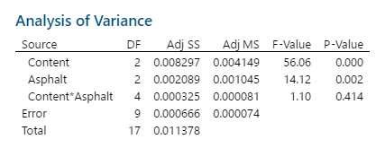
Asphalt | Content | Result
PG58 | 38% | 0.835
PG64 | 38% | 0.855
PG70 | 38% | 0.815
PG58 | 38% | 0.845
PG64 | 38% | 0.865
PG70 | 38% | 0.825
PG58 | 41% | 0.822
PG64 | 41% | 0.832
PG70 | 41% | 0.8
PG58 | 41% | 0.826
PG64 | 41% | 0.836 |  | H0: All means are the same
PG70 | 41% | 0.82 |  | H1: At least two means are different
PG58 | 44% | 0.785
PG64 | 44% | 0.79 |  | a. | The p-value is greater than alpha = 0.01 => we do not reject null hypothesis.
PG70 | 44% | 0.77 |  |  | There are no difference in means during interactions
PG58 | 44% | 0.795 |  | b. | The p-value is less than alpha = 0.01 => we reject null hypothesis.
PG64 | 44% | 0.8 |  |  | Coarse Aggregate has an effect on conductivity.
PG70 | 44% | 0.79 |  | c. | The p-value is less than alpha = 0.01 => we reject null hypothesis.
 |  |  |  |  | Asphalt Binder Grade has an effect on conductivity.

